Eletrical Install
GE Healthcare Services Quality Form - Electrical Install
Parent document: Optima CT620 Installation and Service Directions

System Warning Labels

Laser warning labels:
 |  | Note: The warning label installed must be written in the appropriate language for the Country the system is installed in.

 |  |  |  |  | Test Result
Laser warning labels are installed on the lower right corner of the Gantry (near the floor) and near each laser window opening in the Gantry covers.
Laser warning labels are in the appropriate language.

GSCB warning labels:
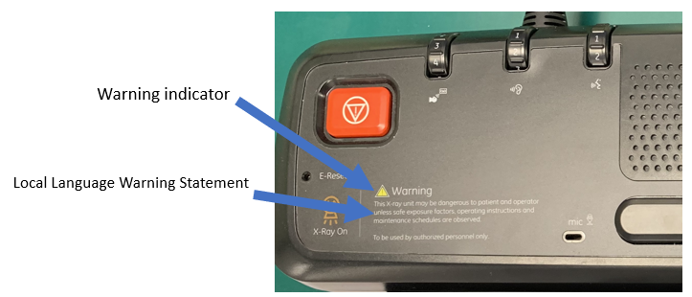

 |  |  |  |  | Test Result
The GSCB Xray warning indicator is attached to the GSCB.
The GSCB Xray warning statement is in the appropriate language.

Gantry/Table warning labels |  |  |  |  | Test Result
All warning labels were installed following the System Installation Manual.
All warning labels are in the appropriate language as defined in Direction 5221102-1EN.

User Interface Language
The UI is expected to be in the language appropriate for the country in which this system is installed, according to Direction 5221102-1EN. If an authorized site representative chooses another UI language, record the following information. Otherwise enter 'NA'.
Radiology Manager (or equivalent)
Date of discussion
Language selected
Appropriate or Requested language is installed.
Alignment Lights
Internal axial lights are functional and aligned.
External axial lights are functional and aligned.
Coronal lights are functional and aligned.
External Alignment lights are functional (if present).
Table Cradle alignment light accuracy test passed.
Auto Voice
Auto Voice volume has been adjusted.
Patient speaker volume has been adjusted.
Operatore Console speaker volume has been adjusted.
Documentation
FE documentation received for all components installed.
Customer documentation received for all components installed.
Operator's manual, in the appropriate language, has been provided to the Director of Radiology (or equivalent).
System Options
Cardiac Option - installed (if present).
Remote Monitor - installed (if present).
SmartStep - installed (if present).
UPS - installed (if present).
System Tests
Cable / Clearance |  |  |  |  | Test Result
Patient Touch Leakage test was performed and the results indicate a passing condition.
System network connections are complete and tested.
Table Height characterization was performed and the results indicate a passing condition.
Interference test was performed and the results indicate a passing condition. Note: The cradle extender must be installed for this test.

System Ground Chassis Leakage | Specification |  |  |  | Test Result
 | Min | Max | Units | Data
Console ground wire measurement indicates a passing condition. | 0 | 5 | mA
Gantry ground wire measurement indicates a passing condition. | 0 | 5 | mA
PDU ground wire measurement indicates a passing condition. | 0 | 5 | mA
Table ground wire measurement indicate a passing condition. | 0 | 5 | mA
Boom-In-Room ground wire measurement (if present) indicates a passing condition. | 0 | 5 | mA

Tomographic Plane Indicator Accuracy | Specification |  |  |  | Test Result
 | Min | Max | Units | Data
Internal landmark scan plan deviation test indicates a passing condition. | -1.0 | +1.0 | mm
External landmark scan plan deviation test indicates a passing condition. | -1.0 | +1.0 | mm
Note: If scan location S1.0 or scan location I1.0 has the darkest bar, the system meets the desired specification.

Xray On Indicators |  |  |  |  | Test Result
The GSCB Xray On indicator illuminates during a scan.
The Gantry front cover Xray On indicator illuminates during a scan.
The Gantry rear cover Xray On indicator illuminates during a scan.
The Room Xray On indicator illuminates during a scan.
The Room door interlock stops a scan when the door is open (if present).

Special Case Installation |  |  |  | Data | Result
Is this system installed in a suite where surgical procedures are peformed?
If yes, enter CSO case number here:

Functional System Tests |  |  |  |  | Test Result
Functional System Tests was performed and the results indicate a passing condition.

Image Quality |  |  |  |  | Test Result
Image Quality test was performed and the results indicate a passing condition.

FE Completion Tasks
Scan Room | Specification |  |  | Data | Test Result
 | Min | Max | Units
Scan room humidity is recorded and within specification. | 30 | 60 | %RH
Scan room temperature is recorded and within specification. | 18 | 26 | degree Centigrade
Scan room HVAC results indicate a passing condition.

Finalization |  |  |  |  | Test Result
Customer documentation was received for all components installed.
Generator recalibration was required.
Collimator recalibration was required.
System re-alignment was required.
Option USBs are stored in the GE Service cabinet (or equivalent).
System software USBs are stored in the GE Service cabinet (or equivalent).

Comments:

DOC2325561 rev 1 | GE4879 - GE Healthcare Services Quality Form |  |  |  |  | Page 3
Copyright 2019 General Electric Company. All rights reserved.

