Console
GE Healthcare Services Quality Form - Console
Parent document: Optima CT620 Part Replacement and Service Directions
Copyright 2019 General Electric Company. All rights reserved.

System Warning Labels

GSCB warning labels:

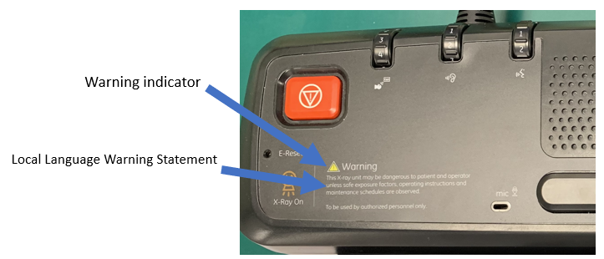

 |  |  |  | Test Result

The Xray warning indicator is attached to the GSCB.
The GSCB Xray warning statement is in the appropriate language.

System Ground Check | Specification |  |  | Data | Test Result
 | Min | Max | Units
Table/Gantry raceway to Console ground wire resistance. | 0 | <1.0 | ohm
System Ground Chassis Leakage test was performed and the results indicate a passing condition.
Patient Touch Leakage test was performed and the results indicate a passing condition.

Software
Console software |  |  |  | Test Result
Load From Cold performed.
All computer integration tasks were completed per instructions in the installation manual.
User Interface Language
Note: The UI is expected to be using the language appropriate for the country in which this system is installed, according to Direction 5221102-1EN. If an authorized site representative chooses another UI language, record the following information. Otherwise enter 'NA'.
Radiology Manager (or equivalent)
Date of discussion
Language selected
Appropriate or Requested language is installed.

Operator Controls / Indicators |  |  |  | Test Result
The GSCB Xray On indicator illuminates during a scan.
The GSCB stop scan controls terminates a scan when pressed.

Functional System Tests |  |  |  | Test Result
Fast Calibration was performed and the results indicate a passing condition.
Functional System Tests was performed and the results indicate a passing condition.

Image Quality |  |  |  | Test Result
Image Quality test was performed and the results indicate a passing condition.

Comments:

DOC2325560 rev 1 | GE4879 - GE Healthcare Services Quality Form |  |  |  | Page 3
 | GE Confidential

